Sheet1
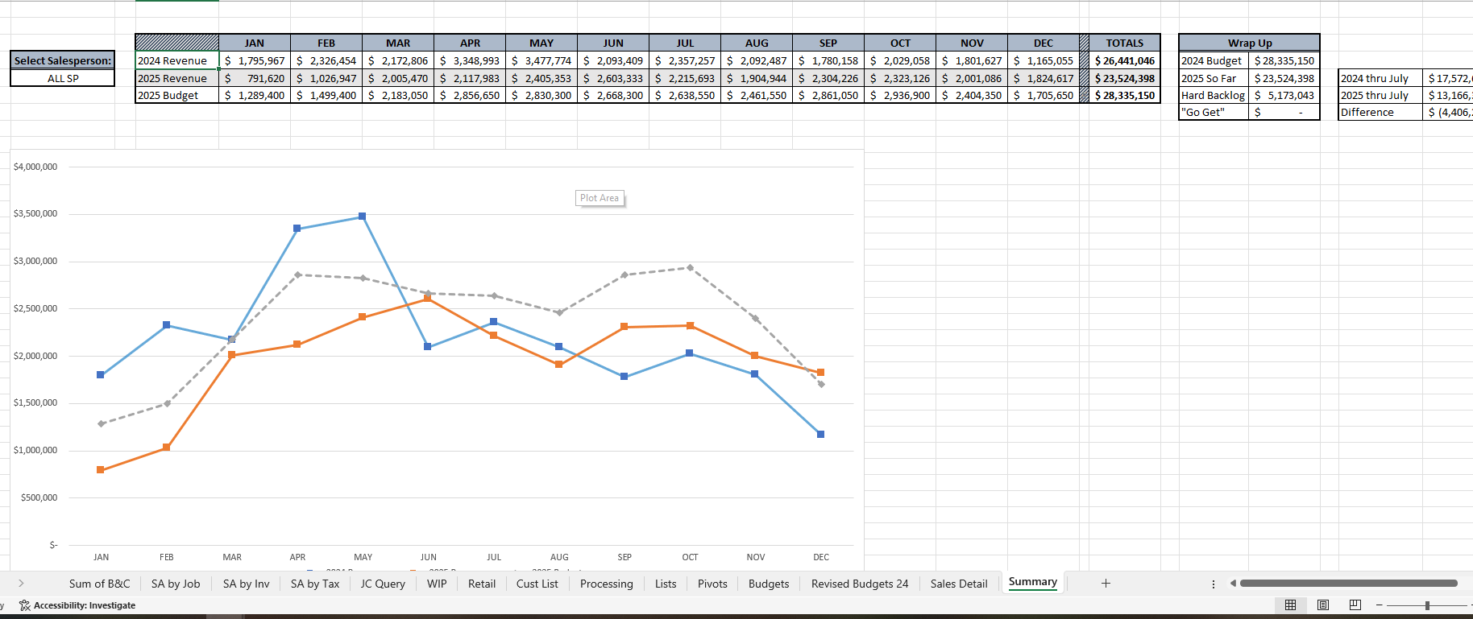
"2024 Revenue" line is basically the last year revenue total that can be derived from the data base form the total of the sales analysis by person for that specific date
"Select Sales person": here I can select everty one or just one person from the scroll down-
2025 Revenue line - can be derived from the "sales analysis by person" data
2025 Budget - comes from the preloaded file -note that not every sales person has sales goals so if they don't just leave it at zero
in the wrap up box- we want the YTD for the sales person, actual, budget and Hard Backlog - which is the difference between the Contract Value in the "Job Summary of Billings and Cost" and the billed to date in that same file for the specif sales person. Note there is not a match between the sales guys in the Sales analysis by sales person and the Job Summary of Billing and Cost. There will be some project managers in the Job Summary of billing and cost that are not in the codes for the sales. Make sure when we have the select salesmen the Hard backlog captures all the open amounts

The graph is self explanatory

